gs vs psi
Zhang, Q., W. Tang, Z. Xiong, S. Peng and Y. Li (2023). "Stomatal conductance in rice leaves and panicles responds differently to abscisic acid and soil drought." J Exp Bot 74(5): 1551-1563.
 | used www.graphreader to convert datapoints |  |  |  |  |  |  |  |  |  | By hand |  |  | From R curve fitting
 |  |  |  |  | Tuzet model |  |  |  |  | temp | 2.3;-0.15 | 4;-0.67 | 4;-0.61 | 2.87;-0.5
 | variety LY287 and YY12 (chinese variety, indica?) |  | leaf gas exchange properties |  | sf | 2.87 | gsnormalized | gs predicted | rmse | 0.15315477025 |  | 0.161 | 1.57 | 0.153
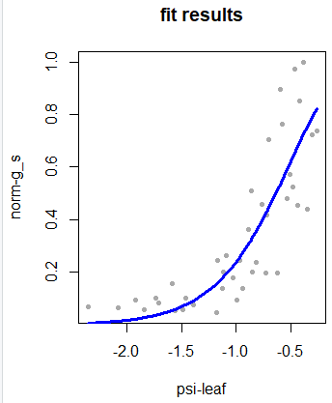
 | outdoor pot study |  | psi (MPA) | gs (mol m-2 s-1) | phyf | -0.5
 | after panicle initiation |  | -0.261 | 0.582 |  |  | 0.73670886076 | 0.82342214831 | sq dev | 0.0075191942386
 | at anthesis without grainfilling, measured in indoor growth chamber |  | -0.303 | 0.57 | max gs | 0.79 | 0.72151898734 | 0.7895446357 |  | 0.0046274888345
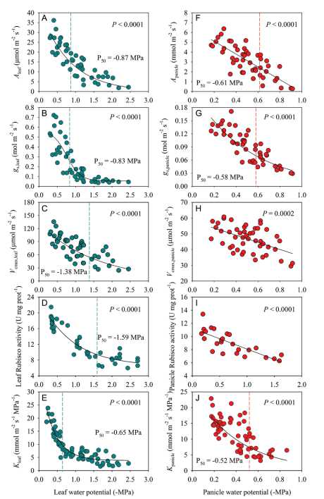
 |  | 28/22C; 60%RH; 400 umol CO2, PPF at 1000 umol | -0.348 | 0.346 |  |  | 0.43797468354 | 0.75198513278 |  | 0.098602562228
gs vs psi
 |  | leaf conditions: 400ppm; 1500 umol PPF; Tleaf 28C, about 1.5 kPa VPD | -0.379 | 0.79 |  |  | 1 | 0.72548038938 |  | 0.075361016613
 |  |  | -0.417 | 0.672 |  |  | 0.85063291139 | 0.69244385619 |  | 0.025023777187
 |  |  | -0.432 | 0.358 |  |  | 0.45316455696 | 0.67927432708 |  | 0.051125628144
 |  |  | -0.462 | 0.768 |  |  | 0.97215189873 | 0.65278147789 |  | 0.10199746571
 |  |  | -0.477 | 0.413 |  |  | 0.52278481013 | 0.63948226497 |  | 0.013618295967
 |  |  | -0.508 | 0.451 |  |  | 0.57088607595 | 0.611951212 |  | 0.0016863453991
 |  |  | -0.53 | 0.378 |  |  | 0.47848101266 | 0.59242370037 |  | 0.012982936084
 |  |  | -0.576 | 0.602 |  |  | 0.76202531646 | 0.55180965791 |  | 0.044190623098
 |  |  | -0.598 | 0.707 |  |  | 0.89493670886 | 0.5325690062 |  | 0.13131035193
 |  |  | -0.621 | 0.154 |  |  | 0.19493670886 | 0.51263497463 |  | 0.10093218807
 |  |  | -0.697 | 0.557 |  |  | 0.70506329114 | 0.44857072832 |  | 0.065788434784
 |  |  | -0.72 | 0.33 |  |  | 0.41772151899 | 0.42986518551 |  | 0.00014746863661
 |  |  | -0.727 | 0.154 |  |  | 0.19493670886 | 0.42424499353 |  | 0.052582289419
 |  |  | -0.765 | 0.362 |  |  | 0.4582278481 | 0.3943730081 |  | 0.0040774405922
 |  |  | -0.818 | 0.186 |  |  | 0.23544303797 | 0.35466536116 |  | 0.014213962346
 |  |  | -0.848 | 0.157 |  |  | 0.19873417722 | 0.33328244332 |  | 0.018103235913
 |  |  | -0.864 | 0.403 |  |  | 0.51012658228 | 0.32221704066 |  | 0.03530999583
normalized gs vs psi
 |  |  | -0.886 | 0.285 |  |  | 0.36075949367 | 0.30739622603 |  | 0.0028476383329
 |  |  | -0.939 | 0.109 |  |  | 0.13797468354 | 0.27360609072 |  | 0.018395878613
 |  |  | -0.97 | 0.192 |  |  | 0.24303797468 | 0.25511400074 |  | 0.00014583040539
 |  |  | -0.992 | 0.074 |  |  | 0.093670886076 | 0.24256226906 |  | 0.022168643927
 |  |  | -1.03 | 0.141 |  |  | 0.17848101266 | 0.22199358448 |  | 0.0018933439063
 |  |  | -1.091 | 0.208 |  |  | 0.26329113924 | 0.19186596793 |  | 0.0051015550961
 |  |  | -1.114 | 0.157 |  |  | 0.19873417722 | 0.18140559308 |  | 0.00030027982817
 |  |  | -1.129 | 0.109 |  |  | 0.13797468354 | 0.17484121908 |  | 0.0013591414421
 |  |  | -1.174 | 0.192 |  |  | 0.24303797468 | 0.15633258329 |  | 0.0075178248963
 |  |  | -1.182 | 0.035 |  |  | 0.044303797468 | 0.15322322567 |  | 0.011863441839
 |  |  | -1.394 | 0.058 |  |  | 0.073417721519 | 0.088368623714 |  | 0.00022352947645
 |  |  | -1.462 | 0.08 |  |  | 0.10126582278 | 0.073632906487 |  | 0.0007635780631
 |  |  | -1.485 | 0.045 |  |  | 0.056962025316 | 0.069192206 |  | 0.00014957731955
 |  |  | -1.561 | 0.042 |  |  | 0.053164556962 | 0.056248563431 |  | 9.5110959009E-06
 |  |  | -1.591 | 0.122 |  |  | 0.15443037975 | 0.051802347708 |  | 0.01053251296
 |  |  | -1.712 | 0.064 |  |  | 0.081012658228 | 0.037059198251 |  | 0.0019319066439
 |  |  | -1.735 | 0.08 |  |  | 0.10126582278 | 0.034758370634 |  | 0.0044232411916
 |  |  | -1.841 | 0.045 |  |  | 0.056962025316 | 0.025831415852 |  | 0.00096911484563
 |  |  | -1.924 | 0.074 |  |  | 0.093670886076 | 0.020446536678 |  | 0.0053618053447
 |  |  | -2.083 | 0.051 |  |  | 0.064556962025 | 0.01303388667 |  | 0.0026546272941
 |  |  | -2.36 | 0.054 |  |  | 0.06835443038 | 0.0059200957839 |  | 0.0038980461364

